Practice time slots
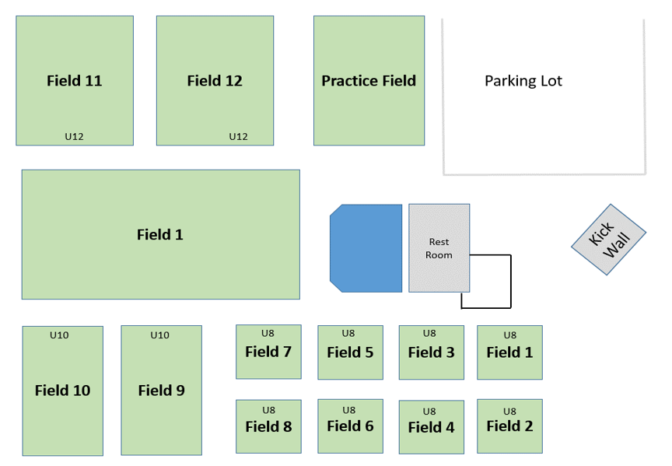
 |  |  | Practice and Games Schedule for Spring 2022
Field # | Monday |  | Tuesday |  | Wednesday |  | Thursday |  | Friday |  | Saturday
Adult Fields | 5pm | 6pm | 5pm | 6pm | 5pm | 6pm | 5pm | 6pm | 5pm | 6pm | 9am | 10am
2 A | U14 Comp Boys |  | U14 Comp Boys |  |  |  | U14 Comp Boys |  |  |  | Games
2 B |  |  | U19 Comp Girls |  |  |  | U19 Comp Girls
U12 Field | 6pm | 6:30pm | 5pm | 6pm | 5pm | 6pm | 5pm | 6pm | 5pm | 6pm | 9am | 10am
12 | U11 Comp Girls |  | U11 Comp Boys |  | In-House Games |  | U11 Comp Boys |  | U11 Comp Girls |  | Games
11 | (U12 Weiser) |  | U14 Rec Holmes |  | In-House Games
Practice 10 | U13 Comp Girls |  | U13 Comp Girls |  | U11 Comp Girls |  | U13 Comp Girls
U10 Field | 5pm | 6pm | 5pm | 6pm | 5pm | 6pm | 5pm | 6pm | 5pm | 6pm | 8:30am | 9am
10 |  |  |  |  | U10 Broughton |  | U10 Weiser |  |  |  | U10 Games
9 |  |  |  |  | U10 Chambers U10 Lentz |  | U10 Hiott & U10 Gallup
9 |  |  |  |  | U10 Godek |  | U10 Green & U10 Walczak
U6/8 Field | 5pm | 6pm | 5pm | 6pm | 5pm | 6pm | 5pm | 6pm | 5pm | 6pm | 9am | 9am
1 | U6 Games |  | U8 Girls |  |  |  | U8 Boys Games |  |  |  | Open practice for U8-U6, (8) teams
2
3
4
5
6
7
8
Academy Traininng |  |  |  |  |  |  |  |  |  |  | 8am-11am
Academy Area | U10 Academy |  |  |  | U8 Academy |  | U12-16 Academy |  |  |  | Lilkickers

